KSP (Chicken)
DATE | INV NO. | DESCRIPTIONS | QTY | BILLS | PRICE | SUB TOTAL | TOTAL | Rp6,106,550
3-Mar-2026 | BO0777/PRN-R/2026 | BONELESS LEG TK SP | 14.6 | 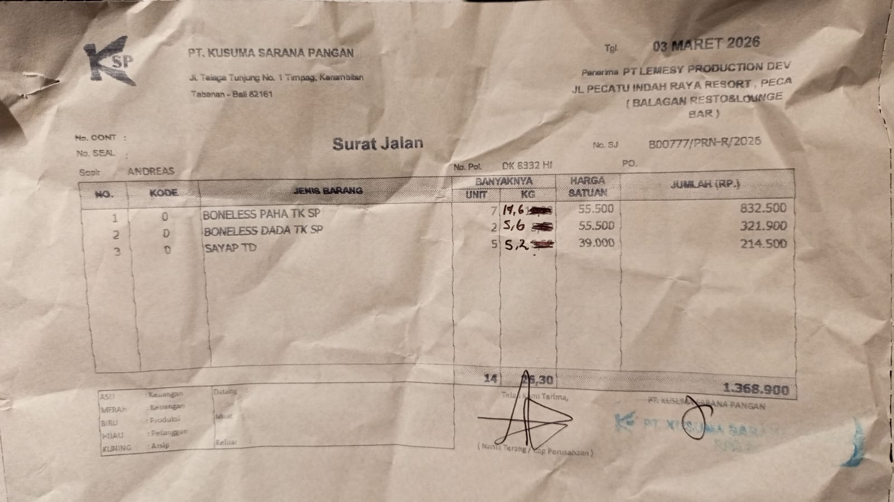 | IDR 55,500 | IDR 810,300 | IDR 1,323,900
 |  | BONELESS BREAST TK SP | 5.6 |  | IDR 55,500 | IDR 310,800
 |  | WINGS TD | 5.2 |  | IDR 39,000 | IDR 202,800
6-Mar-2026 | B00826/PRN-R/2026 | BONELESS BREAST TK SP | 5.7 | 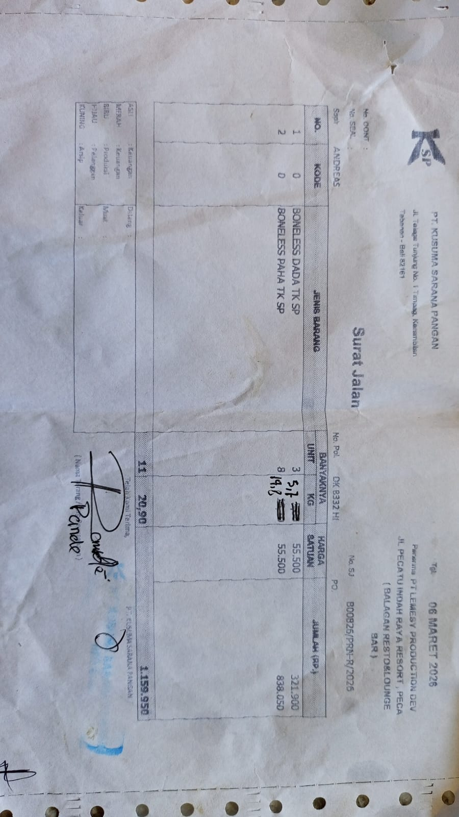 | IDR 55,500 | IDR 316,350 | IDR 1,137,750
 |  | BONELESS LEG TK SP | 14.8 |  | Rp55,500 | IDR 821,400
16-Mar-2026 | BO0978/PRN-R/2026 | BONELESS BREAST TK SP | 21 | 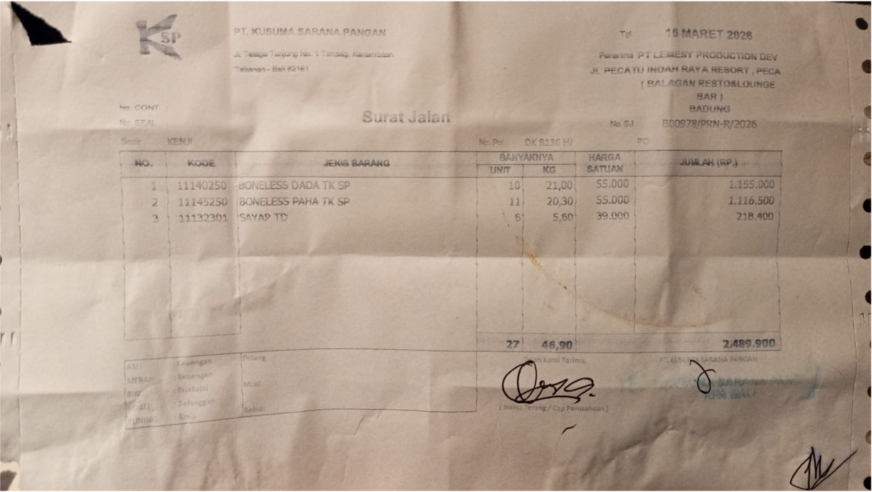 | Rp55,000 | IDR 1,155,000 | IDR 2,489,900
 |  | BONELESS LEG TK SP | 20.3 |  | Rp55,000 | IDR 1,116,500
 |  | WINGS TD | 5.6 |  | Rp39,000 | Rp218,400
17-Mar-2026 | BO0999/PRN-R/2026 | BONELESS BREAST TK SP | 4.9 | 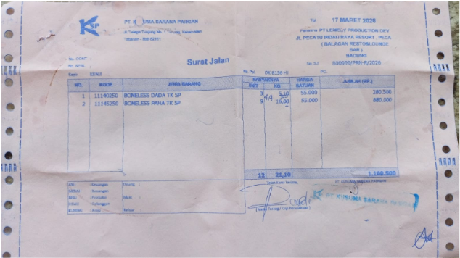 | Rp55,000 | Rp269,500 | Rp1,155,000
 |  | BONELESS LEG TK SP | 16.1 |  | Rp55,000 | Rp885,500

GRAND TOTAL |  |  |  |  |  |  | Rp6,106,550

